Activity 3 Hurricane Irma Wilma
Days after landfall | percent without power (Irma) | percent without power (Wilma) | number of customers without power (Irma)
1.0
2.0
3.0
4.0
5.0
6.0 | 16% |  | 1.6
7.0 | 16% | 35% | 1.6
8.0 | 21% | 36% | 2.1
9.0 | 28% | 36% | 2.8
10.0 | 35% | 37% | 3.5
11.0 | 62% | 37% | 6.2
12.0 | 63% | 36% | 6.45
13.0 | 64% | 36% | 6.7
14.0 | 62% | 35% | 6.45
15.0 | 60% | 31% | 6.2
16.0 | 57% | 31% | 5.8
17.0 | 54% | 31% | 5.4
18.0 | 52% | 30% | 5
19.0 | 46% | 30% | 4.6
20.0 | 41% | 28% | 4.2
21.0 | 36% | 25% | 3.7
22.0 | 35% | 24% | 3.6
23.0 | 34% | 23% | 3.5
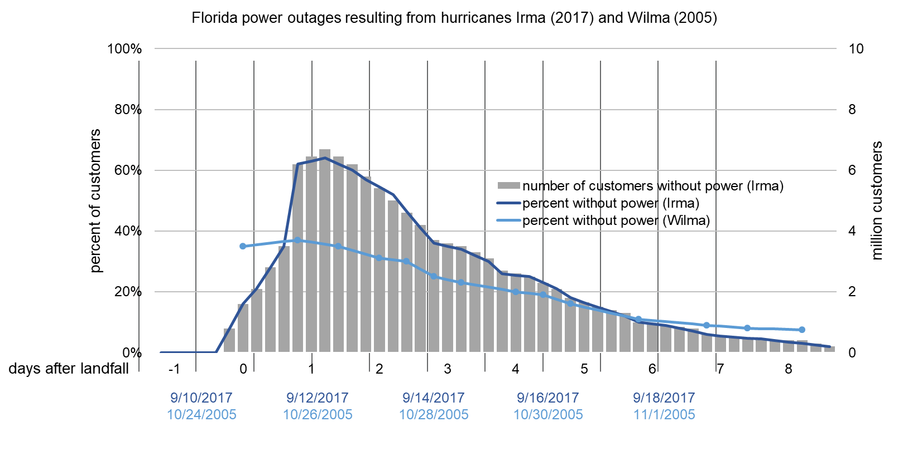
24.0 | 32% | 22% | 3.3
25.0 | 30% | 22% | 3.1
26.0 | 26% | 21% | 2.7
27.0 | 26% | 20% | 2.6
28.0 | 25% | 20% | 2.5
29.0 | 23% | 19% | 2.3
30.0 | 21% | 18% | 2.1
31.0 | 18% | 16% | 1.8
32.0 | 16% | 15% | 1.65
33.0 | 15% | 14% | 1.5
34.0 | 14% | 13% | 1.4
35.0 | 12% | 12% | 1.3
36.0 | 10% | 11% | 1
37.0 | 10% | 11% | 0.95
38.0 | 9% | 10% | 0.9
39.0 | 8% | 10% | 0.85
40.0 | 7% | 9% | 0.8
41.0 | 6% | 9% | 0.6
42.0 | 6% | 9% | 0.55
43.0 | 5% | 8% | 0.5
44.0 | 5% | 8% | 0.475
45.0 | 5% | 8% | 0.45
46.0 | 4% | 8% | 0.4
47.0 | 4% | 8% | 0.4
48.0 | 3% | 8% | 0.4
49.0 | 3% |  | 0.3
50.0 | 2% |  | 0.2

